Sheet1

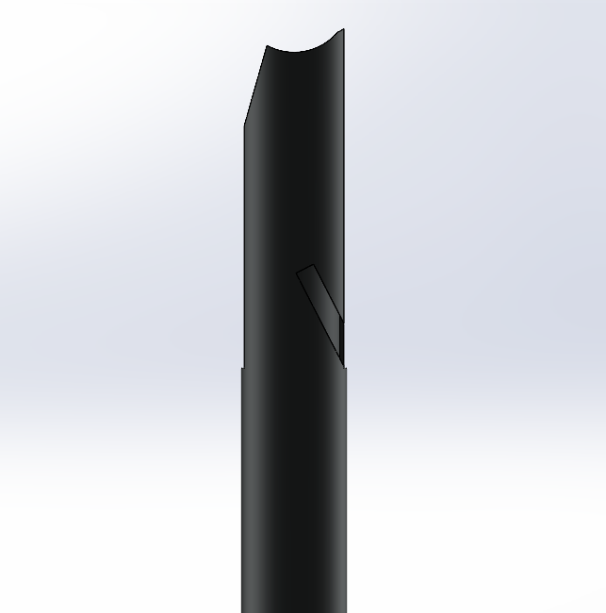
 |  |  | Contact: | Josh Wendt | jwwendt@wisc.edu | (608) 520-7312

Part Number | Quantity | Outer Diameter (in) | Wall Thickness (in) | Material | Uncoped Length (in) | Tube Description | Notes
211-01-23-A | 2 | 0.75" | 0.035" | ANSI4130 | 10.674 | Front Upper Fore | Fits RH
211-03-23-A | 2 | 0.75" | 0.035" | ANSI4130 | 9.788 | Front Upper Aft | Fits RH
211-05-23-A | 4 | 0.75" | 0.035" | ANSI4130 | 15.618 | Front Lower Fore | Fits LH and RH
211-07-23-A | 4 | 0.75" | 0.035" | ANSI4130 | 14.917 | Front Lower Aft | Fits LH and RH
212-01-23-A | 4 | 0.75" | 0.035" | ANSI4130 | 11.100 | Rear Upper Fore | Fits LH and RH
212-03-23-A | 2 | 0.75" | 0.035" | ANSI4130 | 7.810 | Rear Upper Aft | Fits RH
212-05-23-A | 4 | 0.75" | 0.035" | ANSI4130 | 10.950 | Rear Lower Fore | Fits LH and RH
212-07-23-A | 4 | 0.75" | 0.035" | ANSI4130 | 8.720 | Rear Lower Aft | Fits LH and RH

If notch cannot be laser cut, then any mirrored versions can be cut using the non mirrored profile
211-01-23-A-L | 2 | 0.75" | 0.035" | ANSI4130 | 10.674 | Mirror FUR | Fits LH
211-03-23-A-L | 2 | 0.75" | 0.035" | ANSI4130 | 9.788 | Mirror FUA | Fits LH
212-03-23-A-L | 2 | 0.75" | 0.035" | ANSI4130 | 7.810 | Mirror RUA | Fits LH

 |  |  |  |  | Total Length | 358.30534868 | IN
 |  |  |  |  |  | 29.858779057 | FT

